Sheet1
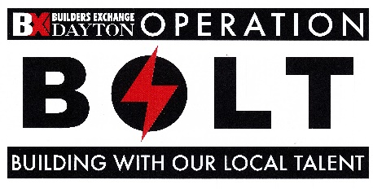
Project Scoring Sheet
 | Project :
 | Owner:
 | Address:
 | Descript.

List any "special qualities" your project may have over other BOLT projects:

Your BOLT Project Management Team members: |  | Possible | Actual
The Owner |  | 5 | 0
The Owners Rep. |  | 3 | 0
Project Lendor |  | 3 | 0
Other |  | 3 | 0
Your Design Team members: |  | 4.15% | 0.00%
Architect/Int. Des. |  | 25 | 0
MEP Engineering |  | 20 | 0
Civil Engineer |  | 5 | 0
Structural Engineer |  | 5 | 0
Landscape Architect |  | 5 | 0
Kitchen Designer |  | 3 | 0
Other design consult. |  | 3 | 0
Your major Prime Sub Contractors: |  | 19.58% | 0.00%
Construction Manager |  | 20 | 0
General Contractor |  | 25 | 0
Plumbing Sub Contr. |  | 15 | 0
Mechanical Sub Contr. |  | 20 | 0
Electrical Sub Contr. |  | 20 | 0
Fire Protection Sub Con |  | 15 | 0
Other prime contr. |  | 15 | 0
Your Sub Contractors: |  | 38.58% | 0.00%
Demolition |  | 4 | 0
Excavation/Sitework |  | 4 | 0
Paving |  | 4 | 0
Site specialties |  | 4 | 0
Landscaping |  | 4 | 0
Concrete |  | 4 | 0
Steel & Framing |  | 4 | 0
Roofing |  | 4 | 0
Siding & Exterior skin |  | 4 | 0
Casework & Carpentry |  | 4 | 0
Masonry |  | 4 | 0
Drywall & Plastering |  | 4 | 0
Painting & Wall finish |  | 4 | 0
Flooring & Tile |  | 4 | 0
Ceilings |  | 4 | 0
Glass & Glazing |  | 4 | 0
Doors & Hardware |  | 4 | 0
Insulation |  | 4 | 0
Sealants |  | 4 | 0
Signage |  | 4 | 0
Other |  | 4 | 0
Other |  | 4 | 0
Your major Material and Equipment Suppliers: |  | 26.11% | 0.00%
General materials |  | 3 | 0
Cranes & erectors |  | 3 | 0
FFE suppliers |  | 3 | 0
Constr. Insurance |  | 3 | 0
Medical Equipment |  | 3 | 0
Building Equipment |  | 3 | 0
Window Coverings |  | 3 | 0
IT/Communications |  | 3 | 0
Security |  | 3 | 0
Other |  | 3 | 0
Other |  | 3 | 0
Other |  | 3 | 0
Other |  | 3 | 0
Final case for why your project deserves to be a BOLT project and receive recognition of Local Talent! |  | 11.57% | 0.00%

 |  | Total Score:
 |  | 0 | 337
 |  | 0.00%
 |  | 50 % or Higher is needed

